Test Cases by Type & Count
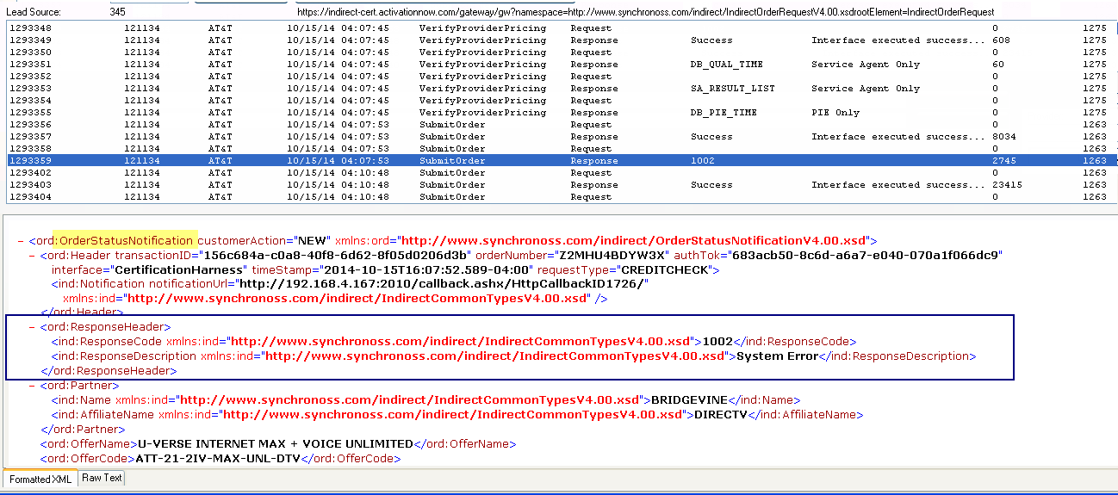
AT&T Test Scenario Types | Count | TC #'s | Tested Case #'s | Total Tests for Mini Regression Suite | Notes
3013 High Credit Class | 5 | 1 - 5 | 2 | 1
3012 Medium Credit Class | 2 | 6 - 7 | 6 | 1
0000 + Scheduling Information in the OSN | 6 | 8 - 13 | 9 | 2
3014 Unknown Credit Class | 2 | 14 - 15 | 14 | 1 | 15 failed due to OMS being down
3016 U-verse Outstanding Balance | 5 | 16 - 20 |  | 1
3036 Wired Outstanding Balance | 3 | 21 - 23 |  | 1
3037 Wired ACH Payment | 3 | 24 - 26 | either this one or 3017 | 1
3017 ACH Payment | 2 | 27 - 28 | either this one or 3037 | 0
3015 U-verse needs manual processing | 1 | 29 |  | 1
3004 Credit Issue | 2 | 30 - 31 | either this one or 3003 | 0
3003 Too Many Repeat Credit Checks | 2 | 32 - 33 | either this one or 3004 | 1
Address Verification | 6 | 34 - 39 |  | 3
 | 39 |  |  | 13

Miscellaneous Testing Notes
- Access Line is just POTS (plain old telephone service). A copper wire line that is slowly becoming a dinosaur. - Lineshare is a customer that is adding/bolting on a product to an existing phone line. Customer is a current Access Line customer that wants to add on an internet product. - There is not a need to run a test for every state. Behaviors will remain the same in regards to the upgrade so that would be overkill.
- The 1002 error in the is not an error. It is only a test env issue. If u deviate from the data in the CERT harness we get that error. It can be ignored

